ERD
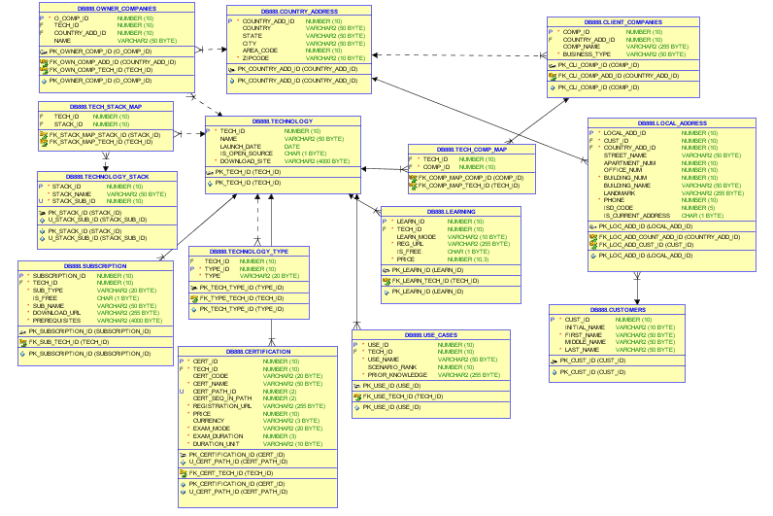
 |  |  |  | customers
 |  |  | PK | cust_id | varchar(20)
 |  |  |  | initial | varchar(10)
 |  |  |  | first_name | varchar(50)
 |  |  |  | middle_name | varchar(50)
 | local_address |  |  | last_name | varchar(50
PK | local_add_id | integer(10)
FK | comp_id | integer(10) |  |  |  |  | client_companies
FK | cust_id | varchar(20) |  |  |  | PK | comp_id | integer(10)
FK | country_add_id | integer(10) |  | country_address |  |  | tech_id | integer(10)
 | Street_name | varchar(50) | PK | country_add_id | integer(10) |  | country_add_id | integer(10)
 | apartment_num | integer(10) |  | country | varchar(50) |  | comp_name | varchar(255)
 | office_num | integer(10) |  | State | varchar(50) |  | business_type | varchar(50)
 | building_num | integer(10) |  | City | varchar(50)
 | building_name | varchar(50) |  | Area Code | integer(10)
 | landmark | varchar(255) |  | Zipcode | integer(10)
 | phone | integer(10)
 | ISD_code | integer(5)

 |  |  |  | owner_companies |  |  | tech_comp_map
 |  |  | PK | o_comp_id | integer(10) | FK | tech_id | integer(10)
 | technology_stack |  | FK | tech_id | integer(10) | FK | comp_id | integer(10)
PK | stack_id | integer(10) | FK | country_add_id | integer(10)
 | stack_name | varchar(50) |  | name | varchar(50)
unique | stack_sub_id | integer(10)

 |  |  |  | technology
 |  |  | PK | tech_id | integer(10) |  | technology_type
 | tech_stack_map |  |  | name | varchar(50) | FK | tech_id | integer(10)
FK | tech_id | integer(10) |  | launch_date | date | FK | type_id | integer(10)
FK | stack_id | integer(10) |  | is_open_source | char(1) |  | type | varchar(20)
 |  |  |  | download_site | varchar(4000)

 | use_cases
PK | use_id | integer(10)
FK | tech_id | integer(10) |  | subscription |  |  | certification
 | use_name | varchar(50) | PK | subscription_id | integer(10) | PK | cert_id | integer(10)
 | scenario_rank | integer(10) | FK | tech_id | integer(10) | FK | tech_id | integer(10)
 | prior_knowledge | varchar(255) |  | sub_type | varchar(20) |  | cert_code | varchar(20)
 |  |  |  | is_free | char(1) |  | cert_name | varchar(50)
 |  |  |  | sub_name | varchar(50) | Unique | cert_path_id | integer(2)
 |  |  |  | download_url | varchar(255) |  | cert_seq_in_path | integer(2)
 |  |  |  | prerequisites | varchar(4000) |  | registration_url | varchar(255)
 | learning |  |  |  |  |  | price | integer(10)
PK | learn_id | varchar(20) |  |  |  |  | currency | varchar(3)
FK | tech_id | integer(10) |  |  |  |  | exam_mode | varchar(20)
 | learn_mode | varchar(10) |  |  |  |  | exam_duration | integer(3)
 | reg_url | varchar(255) |  |  |  |  | duration_unit | varchar(10)
 | is_free | char(1)
 | price | integer(10)

